Contents Page


Temporary increased No Cancellation Ranges, Reasonability Limits and Interval Price Limits
(https://www.theice.com/publicdocs/endex/circulars/E21032.pdf)

Workbook Name: | Contents: | Type:
Emissions | EUA | Daily, Monthly
Spot Markets | UK Gas, TTF Spot | Spot
Power (Physical) | Belgian, Dutch | Weekly, Monthly
Power (Financial) | Austrian, Belgian, Dutch, French, German, Italian, Nordic, Spanish, Swiss | Daily, Monthly
Continental Gas | Austrian, Dutch, French, German, Italian | Daily, Monthly
EU Spark spread | EU Spark spread | Monthly
Options | Dutch, German , French, Italian, EUA | Options

ICE Endex shall set and may vary a Reasonability Limit or Interval Price Limit within the ICE Endex Platform for each contract beyond which the Trading Server will not execute Limit or Market Orders.

EU Spark spread
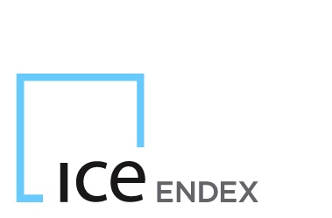

No Cancellation Range (NCR)

Contract: | Month | Quarter | Season | Year
EU Spark Spread | € 0.40 | € 0.40 | € 0.40 | € 0.40

